Sheet1
Scene No. | 1
Quest Title | 新手任务3——战斗
Quest Log | 回复马凯
Map No. | 22
 | 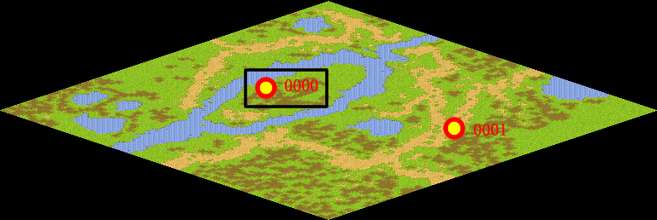
NPC No. | 怪0083
Condition
Dialog
Select
Result

ScriptFile | Qlog-0202-001.scr

